Sheet1
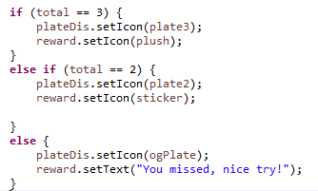
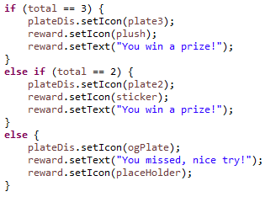
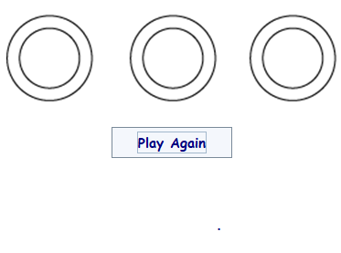
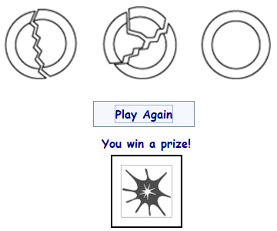
Credit Name: CSE3010 - Computer Science 3
Assignment Name: Break A Plate Mastery

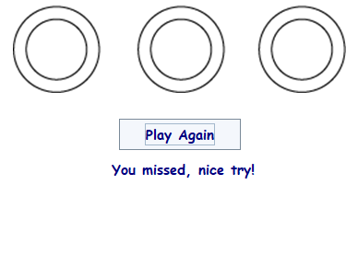
Describe the errors you've encountered while working on this assignment. What caused the error and how do you overcome the error?

Text did not display as intended | Set the vetrical and horiztonal position of the text in the JLabel

